Application Screen
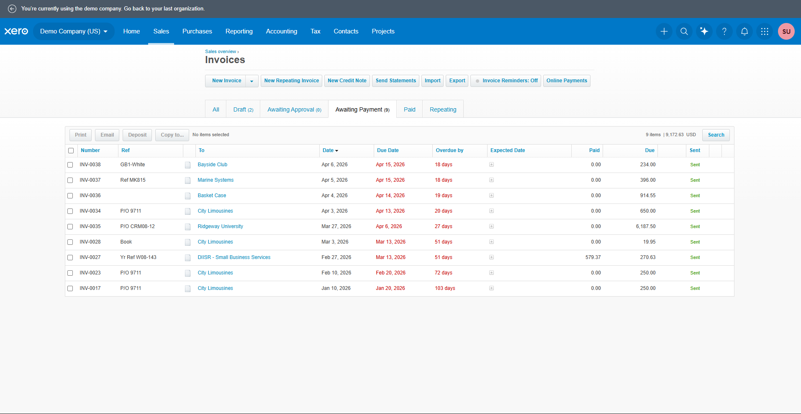
Application Screen / Evidence Notes
Application Area | Business > Invoices / Accounts Receivable
Primary Screen | Overdue invoices view or invoice list filtered to Overdue
Important Fields | Customer, invoice number, invoice date, due date, status, total, paid, amount due
Expected Behavior | Only invoices past due and still unpaid should appear in the overdue view.
Evidence Needed | Screenshot of overdue list, filters/status, and amount due columns.

Test Design
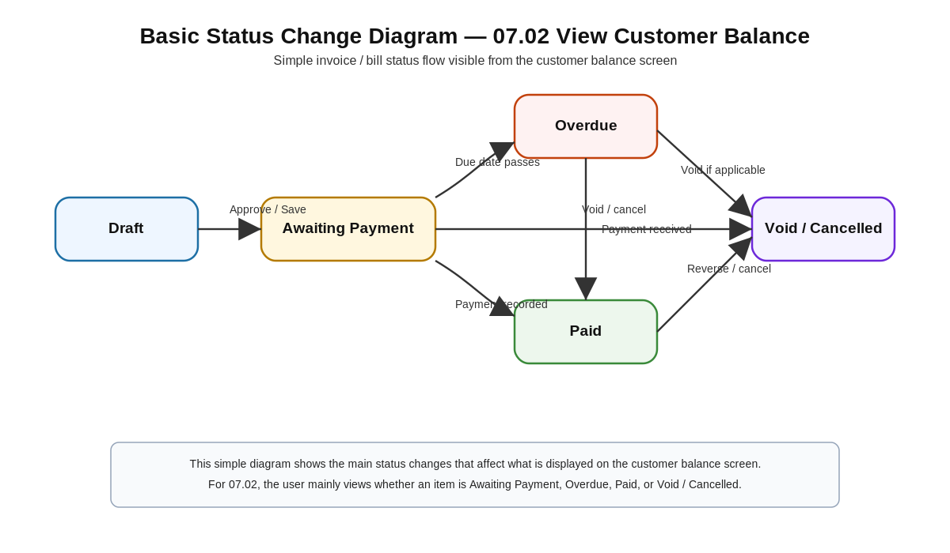
Test Design Title | TD_07.09 View Overdue Invoices
Feature ID | 07.09
Feature Name | View Overdue Invoices
Module | 07 - Accounts Receivable
Scope | Verify access to the overdue invoice view, overdue-only filtering, due date/status behavior, amount due display, totals/counts, and read-only behavior.
Out of Scope | Creating invoices, editing invoices, recording payments, allocating credits, writing off balances, and changing invoice statuses directly.
Test Approach | Functional UI testing, entitlement testing, status validation, due-date validation, calculation verification, filter validation, and report/view output validation.
Test Data | Use demo/test customer invoices with known due dates, statuses, totals, paid amounts, and amount due values; include at least one overdue and one non-overdue invoice.
Environment | Xero Demo Company / test company with Accounts Receivable enabled.
Risks | Incorrect overdue classification, stale invoice status, paid invoices appearing as overdue, amount-due calculation errors, unauthorized access, or data retrieval/connectivity issues.
RCT Traceability | 07.09 View Overdue Invoices; ET-Entitlements, STS-Status, CL-Calculations, CN-Connectivity, DF-In.

Test Case ID | Test Case Title
TC_07.09_01 | Authorized user opens the View Overdue Invoices page/report
TC_07.09_02 | Verify only overdue invoices appear and non-overdue invoices are excluded
TC_07.09_03 | Verify overdue amounts, totals, date behavior, and output/export behavior

